MET
METALLURGICAL EXAMINATION RESULTS

 | Customer: |  | AEN-SEC |  |  |  | Machine Type: |  |  | V84.2
 | Customer Ref. No.: |  | 8501426146 |  |  |  | Quantity p. Set: |  |  | 52
 | AEG. Ref. No: |  | B802712RE010 |  |  |  | EOH: |  |  | 66,000
 | AEG. Job. No: |  | 6831 |  |  |  | Remarks: |  |  | Pre, Post, After Stress Relief & Ageing HT

 | Sample nr. | Description |  |  | S/N or part nr. |  | Sample location |  | Material |  | Result
 | MS 6369C MS 6411C MS 6889C MS 6931C | 2nd Stage Vane |  |  | CD70356 CD70386 CD70374 CD70385 |  | Trailing Edge |  | Rene-80 |  | See comment

 | Hardness Results: | Pre-Solutioning |  |  | 30.5 HRC |  | Received Coating Type |  |  |  | Outgoing Coating Type
 |  | Post-Solutioning |  |  | 28.9 HRC |  | TBC |  |  |  | TBC

 | Alloy (Nominal) wt% | Co | Cr | Mo | W | Al | Ti | Ni | C | B
 | Rene-80 | 9.5 | 14 | 4 | 4 | 3 | 5 | 60.28 | 0.17 | 0.015

 | Alloy (Actual) wt.% | Co | Cr | Mo | Ta | Al | Ti | Ni | Nb | W | Fe | Cu
 | Rene-80 | 8.95 | 13.13 | 1.56 | 1.64 | 2.38 | 2.06 | 66.73 | 0.57 | 2.66 | 0.18 | 0.09

 | Comment:

 | The part was received with TBC coating (Pic.1).The set of the parts was solution heat treated (Micrograph, Pic.2) to dissolve into the matrix the carbides, gamma prime phase before the welding repair. Stress relief was performed after welding repair (Micrograph, Pic.3). Ageing was done to recover the microstructure with the reformation of the strengthening secondary phase (Gamma prime) as shown in the middle wall micrograph (Pic.4).

 | 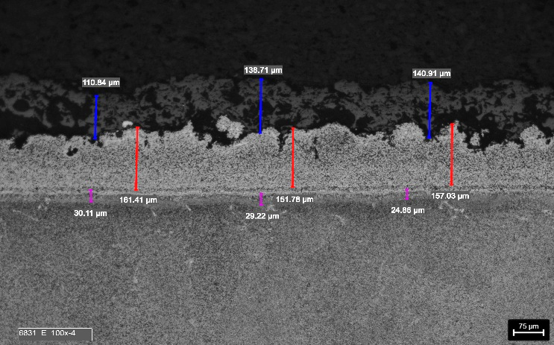 |  |  |  |  |  | 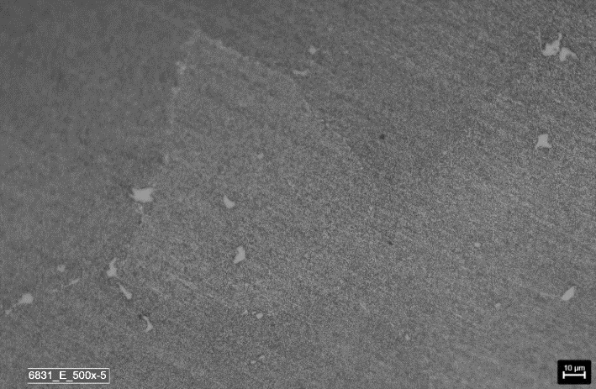

 | Picture 1: | Micrograph- Trailing Edge Etched 100x Pre-Solution |  |  |  |  | Picture 2: |  | Micrograph- Middle Wall Etched 500x (Post Solution HT)

 | 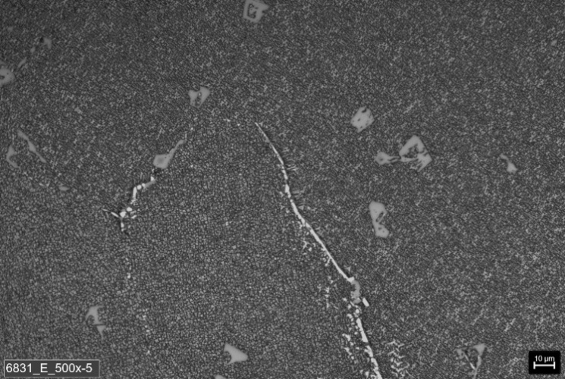 |  |  |  |  |  | 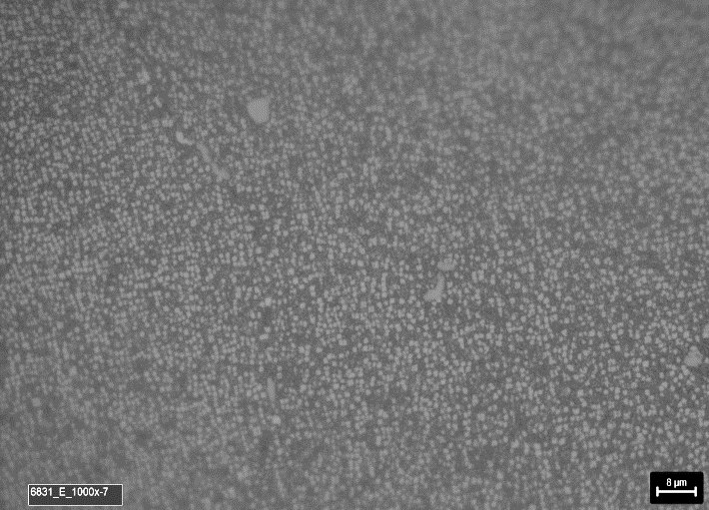

 | Picture 3: | Micrograph- Middle Wall Etched 500x (After Stress Relief HT) |  |  |  |  | Picture 4: |  | Micrograph- Middle Wall Etched 1000x (Post Ageing HT)

Remarks: |  | Met. Lab: |  | Tejo/Berenice |  |  | Mat. Eng: |  | Khemici B. / Eslam A. |  |  | Date: | 2025-11-08

